Columns
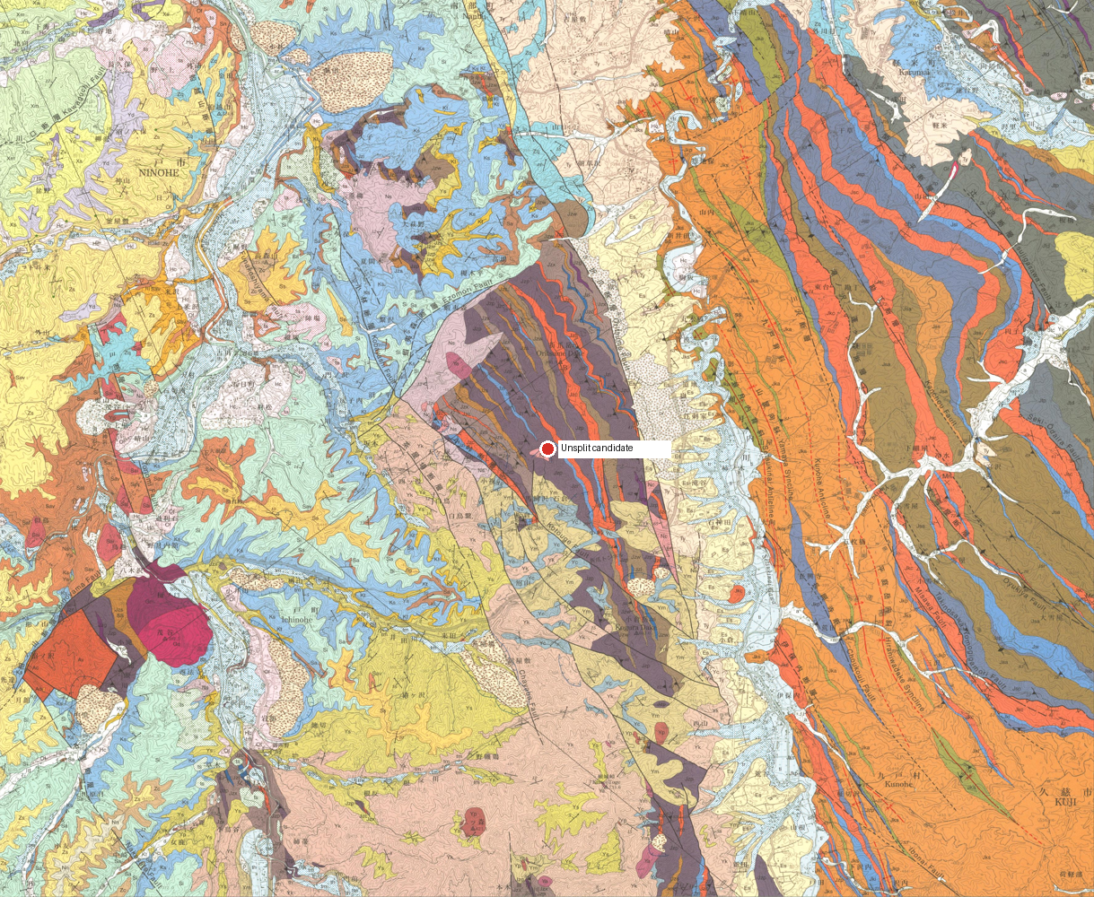
col_id | col_name | region_basis | lat | lng | geom | rgeom | evidence | status | ref_ids
unsplit | Unsplit candidate | AllProvidersFailed: All LLM providers failed for column_geography_vision: mistral:mistral-small-latest=network; gemini:gemini-3.5-flash-lite=circuit_open | 40.2527666 | 141.3714112 |  |  | Map verification: GSJ map-bbox candidate; inside assigned region: no. | CHECK | gsj1286

